Info
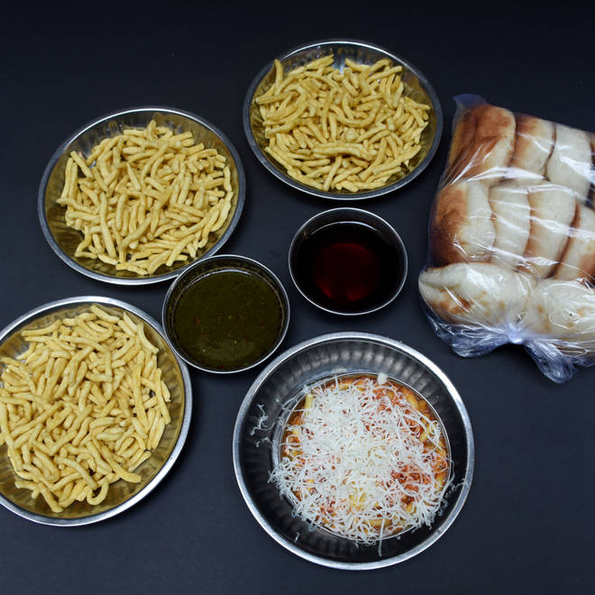
🍊 Restaurant Information

Name | Lalabhai Sevusal Raopurawala
Area | Raopura
Rating | 4.4
Total Ratings | 4.2K+ ratings
Cuisines | Snacks, Fast Food
Cost for Two | ₹200 for two
Delivery Time | 33 mins
Swiggy URL | https://www.swiggy.com/city/vadodara/lalabhai-sevusal-raopurawala-raopura-rest79768
Scraped On | 18 Mar 2026, 10:25 am

── Menu Stats ──
Total Items | 29
Veg Items | 0
Non-Veg Items | 0
Bestsellers | 0
Items with Photo | 27
Categories | Recommended, Regular Sev Usal Combos, Jain Sev Usal Combos, Swaminarayan Sev Usal Combos, Regular SevTari, Sev, Masala Sev, Buns, Swaminarayan SevTari, Jain SevTari

