Info
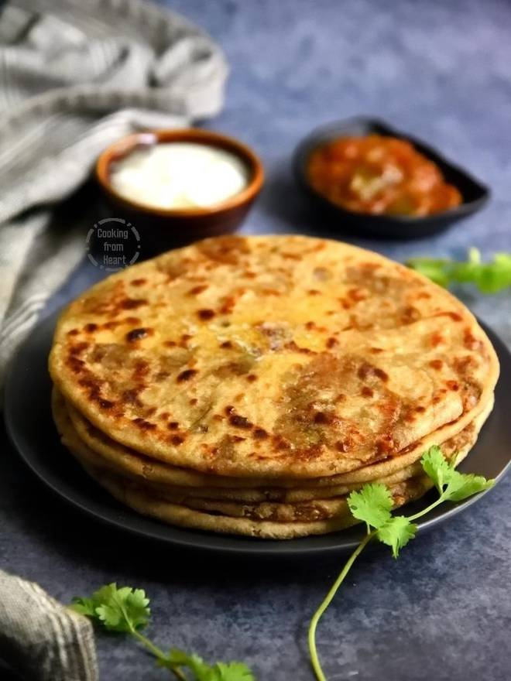
🍊 Restaurant Information

Name | Maa Ki Rasoi
Area | Fatehgunj
Rating | 2
Total Ratings | 3 ratings
Cuisines | Bihari, Snacks
Cost for Two | ₹400 for two
Delivery Time | 50 mins
Swiggy URL | https://www.swiggy.com/city/vadodara/maa-ki-rasoi-shiv-krupa-residency-fatehgunj-rest984696
Scraped On | 18 Mar 2026, 10:09 am

── Menu Stats ──
Total Items | 11
Veg Items | 0
Non-Veg Items | 0
Bestsellers | 0
Items with Photo | 3
Categories | Recommended, Snacks, Bread, Desserts

