Info
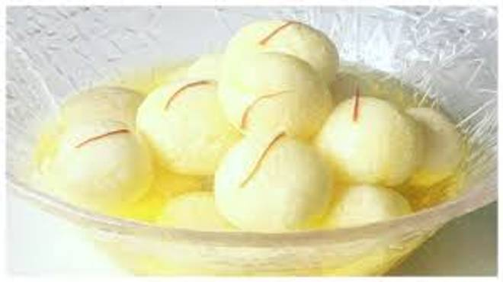
🍊 Restaurant Information

Name | Madhvi Dairy
Area | Fatehgunj
Rating | 4.7
Total Ratings | 18 ratings
Cuisines | Sweets, Snacks
Cost for Two | ₹250 for two
Delivery Time | 27 mins
Swiggy URL | https://www.swiggy.com/city/vadodara/madhvi-dairy-fatehgunj-rest1041141
Scraped On | 18 Mar 2026, 10:19 am

── Menu Stats ──
Total Items | 45
Veg Items | 0
Non-Veg Items | 0
Bestsellers | 0
Items with Photo | 26
Categories | Recommended, Ice Cream Station, Namkeen, Coco | Lassi | Milkshake

