Info
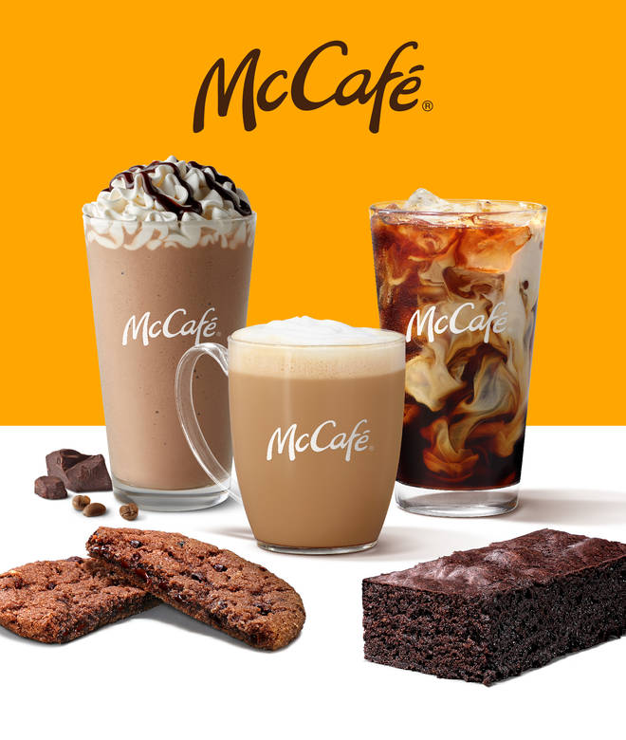
🍊 Restaurant Information

Name | McCafe by McDonald's
Area | Karelibaug
Rating | 3.9
Total Ratings | 60 ratings
Cuisines | American, Beverages
Cost for Two | ₹250 for two
Delivery Time | 47 mins
Swiggy URL | https://www.swiggy.com/city/vadodara/mccafe-by-mcdonalds-sama-savali-karelibaug-rest192434
Scraped On | 18 Mar 2026, 10:07 am

── Menu Stats ──
Total Items | 43
Veg Items | 0
Non-Veg Items | 0
Bestsellers | 0
Items with Photo | 43
Categories | McSaver Combos (2 Pc Meals), Fries & Sides, Cakes Brownies and Cookies, Coffee & Beverages

