Info
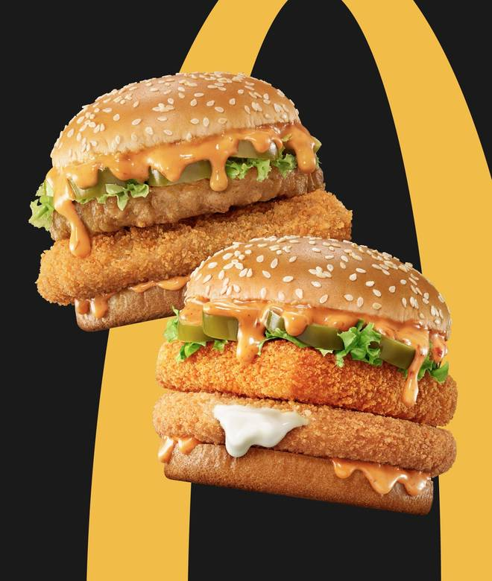
🍊 Restaurant Information

Name | McDonald's
Area | Fatehgunj
Rating | 4.5
Total Ratings | 8.9K+ ratings
Cuisines | Burgers, Beverages
Cost for Two | ₹400 for two
Delivery Time | 31 mins
Swiggy URL | https://www.swiggy.com/city/vadodara/mcdonalds-seven-seas-mall-fatehgunj-rest68031
Scraped On | 18 Mar 2026, 10:06 am

── Menu Stats ──
Total Items | 154
Veg Items | 0
Non-Veg Items | 0
Bestsellers | 0
Items with Photo | 154
Categories | Protein Plus and Coke Zero Meals, McSaver Combos (2 Pc Meals), Group Sharing Combos, Burger Combos ( 3 Pc Meals ), Burgers & Wraps, Fries & Sides, Coffee & Beverages, Desserts

