Info
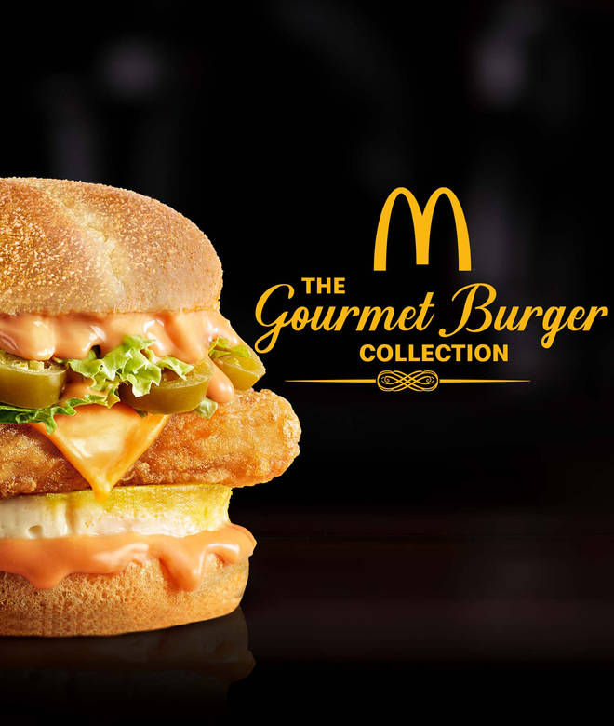
🍊 Restaurant Information

Name | McDonald's Gourmet Burger Collection
Area | Fatehgunj
Rating | 4.8
Total Ratings | 70 ratings
Cuisines | Burgers, Beverages
Cost for Two | ₹500 for two
Delivery Time | 35 mins
Swiggy URL | https://www.swiggy.com/city/vadodara/mcdonalds-gourmet-burger-collection-seven-seas-mall-fatehgunj-rest420292
Scraped On | 18 Mar 2026, 10:07 am

── Menu Stats ──
Total Items | 27
Veg Items | 0
Non-Veg Items | 0
Bestsellers | 0
Items with Photo | 27
Categories | Burgers & Wraps, Fries & Sides, Burger Combos ( 3 Pc Meals ), Desserts, Coffee & Beverages

