Info
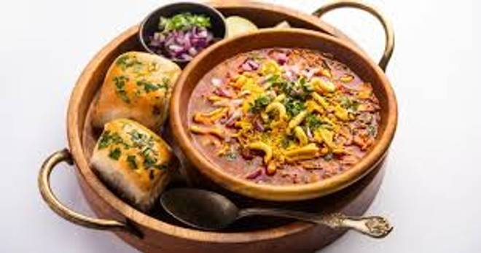
🍊 Restaurant Information

Name | Misal House
Area | Mandvi
Rating | 3.9
Total Ratings | 12 ratings
Cuisines | Maharashtrian, Indian
Cost for Two | ₹250 for two
Delivery Time | 33 mins
Swiggy URL | https://www.swiggy.com/city/vadodara/misal-house-mandvi-rest1134828
Scraped On | 18 Mar 2026, 10:27 am

── Menu Stats ──
Total Items | 12
Veg Items | 0
Non-Veg Items | 0
Bestsellers | 0
Items with Photo | 9
Categories | Buy 1 Get 1 Free, Recommended, Maharashtrian Misal Pav, Farali Or Vrat Delicacies

