Info
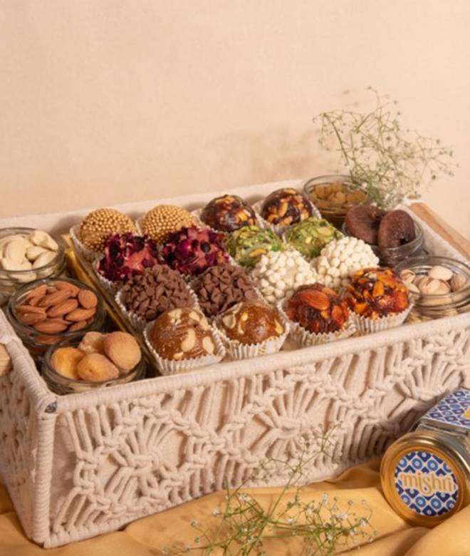
🍊 Restaurant Information

Name | Mishri Sweets
Area | Racecourse Road
Rating | 4.5
Total Ratings | 3.5K+ ratings
Cuisines | Sweets, Snacks
Cost for Two | ₹289 for two
Delivery Time | 23 mins
Swiggy URL | https://www.swiggy.com/city/vadodara/mishri-sweets-race-course-circle-racecourse-road-rest638356
Scraped On | 18 Mar 2026, 10:15 am

── Menu Stats ──
Total Items | 144
Veg Items | 0
Non-Veg Items | 0
Bestsellers | 0
Items with Photo | 130
Categories | Recommended, Namkeen Combos, Holi Specials, Farsan, Premium Natural Sweets, Festive Gift Hamper, Diwali Festive Premium Hamper, Shrikhand, Bengali Sweets, Namkeen , Farali, Winter Special, Hot Snacks, Premium Ladoo, Katli - [ Kaju & Dry Fruit Sweets ], Roll - [ Kaju & Dry Fruit Sweets ], Premium Sweets - [ Kaju & Dry Fruit Sweets ], Barfi, Premium Mawa Sweets, Penda, Traditional - Suddh Desi Ghee Sweets, Halwa

