Info
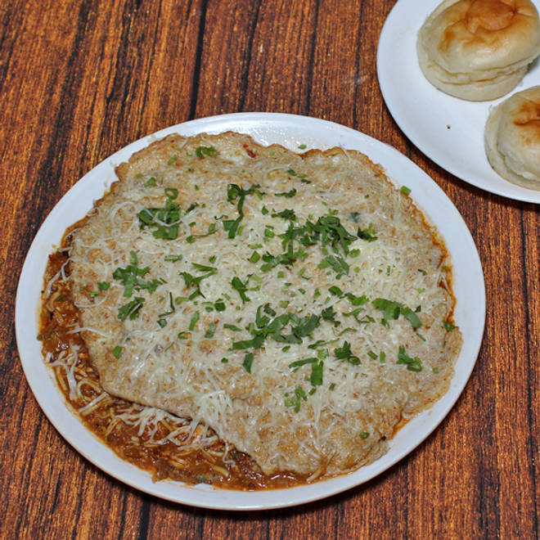
🍊 Restaurant Information

Name | Munna Omlet
Area | Karelibagh
Rating | 4.3
Total Ratings | 5.5K+ ratings
Cuisines | Street Food, North Indian
Cost for Two | ₹200 for two
Delivery Time | 26 mins
Swiggy URL | https://www.swiggy.com/city/vadodara/munna-omlet-karelibagh-rest163101
Scraped On | 18 Mar 2026, 10:13 am

── Menu Stats ──
Total Items | 73
Veg Items | 0
Non-Veg Items | 0
Bestsellers | 0
Items with Photo | 33
Categories | Recommended, Egg, Combos, Must Try Combos, Holi Specials, Pulao

