Info
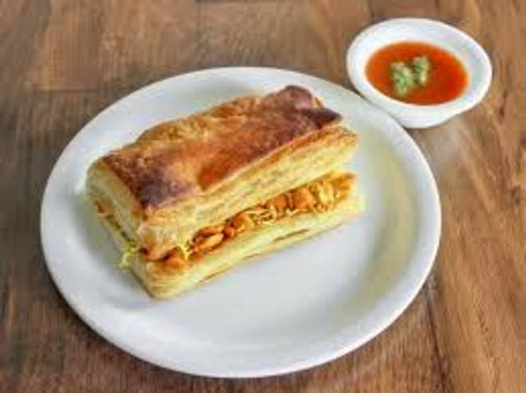
🍊 Restaurant Information

Name | Nadiad Puff Wala
Area | Kareli baugh
Rating | 4.2
Total Ratings | 19 ratings
Cuisines | Fast Food
Cost for Two | ₹100 for two
Delivery Time | 29 mins
Swiggy URL | https://www.swiggy.com/city/vadodara/nadiad-puff-wala-akota-kareli-baugh-rest1068585
Scraped On | 18 Mar 2026, 10:24 am

── Menu Stats ──
Total Items | 97
Veg Items | 0
Non-Veg Items | 0
Bestsellers | 0
Items with Photo | 14
Categories | Recommended, Sev Sing, Cheesy, Regular, Pizza puff, Paneer, Peri Peri, Exotics, Panjabi, Tandoori, Special, Cold coffee, Maxican, Makhani

