Info
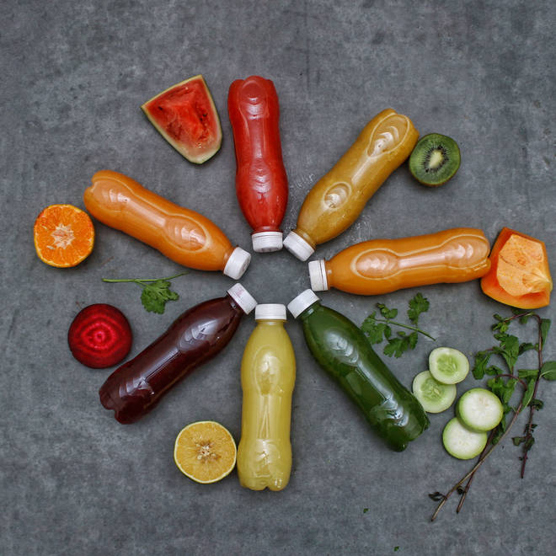
🍊 Restaurant Information

Name | Natural Juice
Area | Alkapuri
Rating | 4.1
Total Ratings | 3.6K+ ratings
Cuisines | Juices, Healthy Food
Cost for Two | ₹170 for two
Delivery Time | 18 mins
Swiggy URL | https://www.swiggy.com/city/vadodara/natural-juice-alkapuri-rest81722
Scraped On | 18 Mar 2026, 10:15 am

── Menu Stats ──
Total Items | 97
Veg Items | 0
Non-Veg Items | 0
Bestsellers | 0
Items with Photo | 38
Categories | Recommended, Exotic Berry Juices [300 Ml] , Fresh Fruit Juices [300ml] , Fresh Vegetable Juice [300ml] , Fresh Mix Juices [300ml] , Healthy Fruit Shots [5 Shots Of 50 Ml] , Make Your Own Juice Combination [300ml] , Fruit Bowls & Salads , All Day Breakfast , Sprouts , Wraps , Healthy Juice Combo , Fresh Fruits , Milk Shakes

