Info
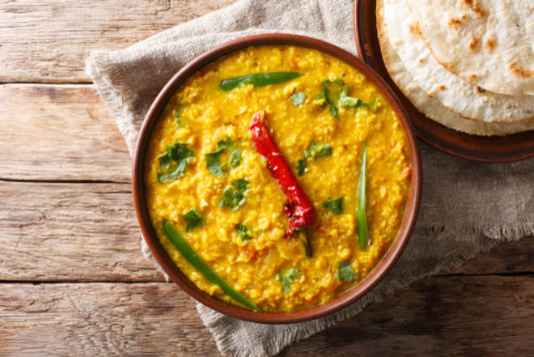
🍊 Restaurant Information

Name | New Larilappa (Babubhai)
Area | Mandvi
Rating | 4.4
Total Ratings | 998 ratings
Cuisines | Thalis, Punjabi
Cost for Two | ₹350 for two
Delivery Time | 37 mins
Swiggy URL | https://www.swiggy.com/city/vadodara/new-larilappa-babubhai-mandvi-rest290415
Scraped On | 18 Mar 2026, 10:27 am

── Menu Stats ──
Total Items | 52
Veg Items | 0
Non-Veg Items | 0
Bestsellers | 0
Items with Photo | 42
Categories | Recommended, Sabzi Me Kya Hai, Jain Special's, Dal Ka Tadka, Pulav & Rice, Roti Ya Rumali, Papad

