Info
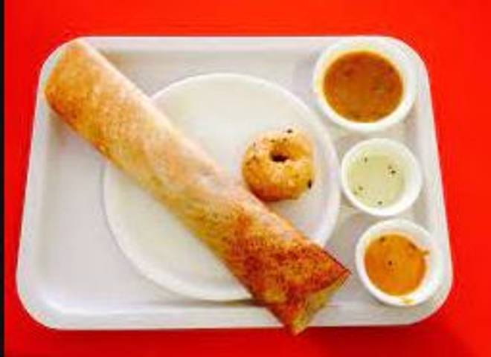
🍊 Restaurant Information

Name | Om Shakti Khiru
Area | Manjalpur
Rating | 4.4
Total Ratings | 55 ratings
Cuisines | South Indian
Cost for Two | ₹199 for two
Delivery Time | 27 mins
Swiggy URL | https://www.swiggy.com/city/vadodara/om-shakti-khiru-panchsh-manjalpur-rest912179
Scraped On | 18 Mar 2026, 10:27 am

── Menu Stats ──
Total Items | 9
Veg Items | 0
Non-Veg Items | 0
Bestsellers | 0
Items with Photo | 4
Categories | South Indian

