Info
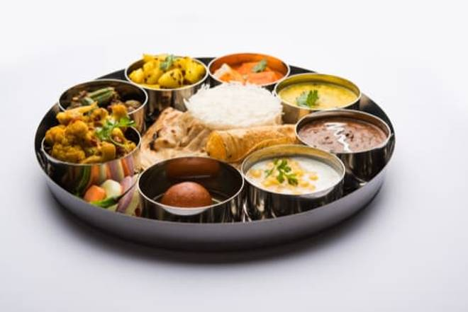
🍊 Restaurant Information

Name | Padma Restaurant
Area | Fatehgunj
Rating | --
Total Ratings | Too Few Ratings
Cuisines | South Indian, Punjabi
Cost for Two | ₹200 for two
Delivery Time | 40 mins
Swiggy URL | https://www.swiggy.com/city/vadodara/padma-restaurant-new-sama-road-fatehgunj-rest631862
Scraped On | 18 Mar 2026, 10:23 am

── Menu Stats ──
Total Items | 0
Veg Items | 0
Non-Veg Items | 0
Bestsellers | 0
Items with Photo | 0
Categories

