Info
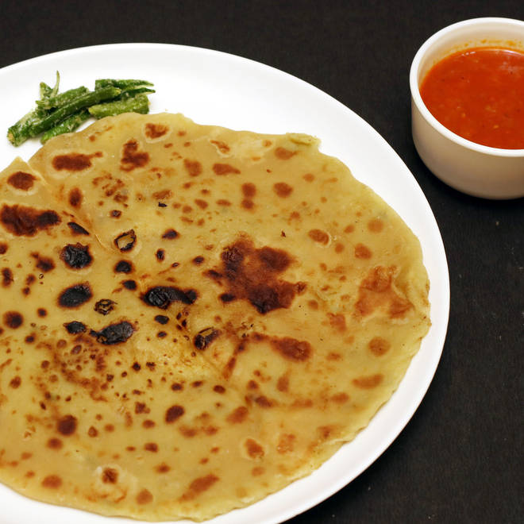
🍊 Restaurant Information

Name | Pandit ji Paratha House
Area | Alkapuri
Rating | 4.6
Total Ratings | 2.9K+ ratings
Cuisines | North Indian, Street Food
Cost for Two | ₹200 for two
Delivery Time | 15 mins
Swiggy URL | https://www.swiggy.com/city/vadodara/pandit-ji-paratha-house-alkapuri-rest124211
Scraped On | 18 Mar 2026, 10:11 am

── Menu Stats ──
Total Items | 39
Veg Items | 0
Non-Veg Items | 0
Bestsellers | 0
Items with Photo | 35
Categories | Recommended, Paratha, Combos, Beverages, Snacks Combos

