Info
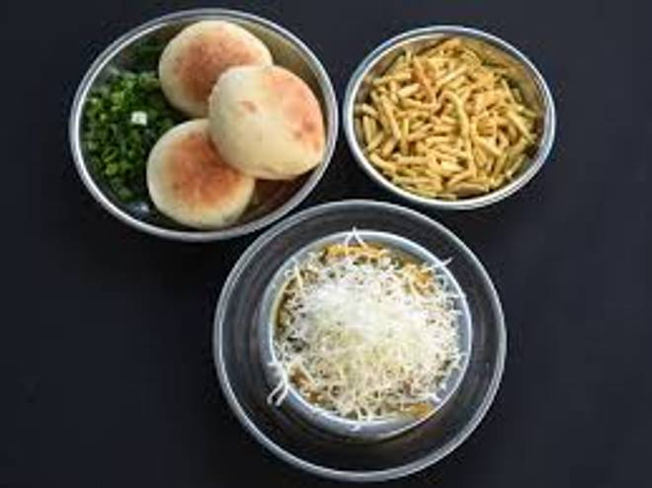
🍊 Restaurant Information

Name | Piya Food Hub
Area | New VIP Road
Rating | 3.9
Total Ratings | 33 ratings
Cuisines | Beverages, Home Food
Cost for Two | ₹120 for two
Delivery Time | 31 mins
Swiggy URL | https://www.swiggy.com/city/vadodara/piya-food-hub-mandvi-new-vip-road-rest1288773
Scraped On | 18 Mar 2026, 10:14 am

── Menu Stats ──
Total Items | 12
Veg Items | 0
Non-Veg Items | 0
Bestsellers | 0
Items with Photo | 8
Categories | Sev Usal, Extras

