Info
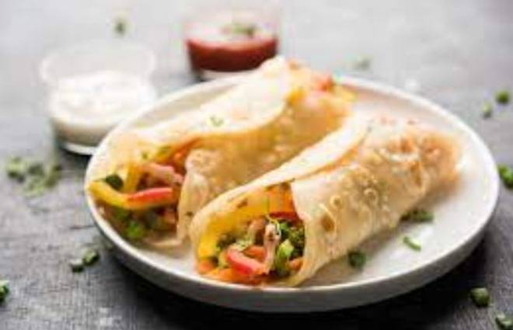
🍊 Restaurant Information

Name | Pizza Palace
Area | Mandvi
Rating | 4.5
Total Ratings | <3 ratings
Cuisines | Snacks, Fast Food
Cost for Two | ₹300 for two
Delivery Time | 41 mins
Swiggy URL | https://www.swiggy.com/city/vadodara/pizza-palace-mandvi-rest952157
Scraped On | 18 Mar 2026, 10:16 am

── Menu Stats ──
Total Items | 18
Veg Items | 0
Non-Veg Items | 0
Bestsellers | 0
Items with Photo | 5
Categories | Frankies, Momos

