Info
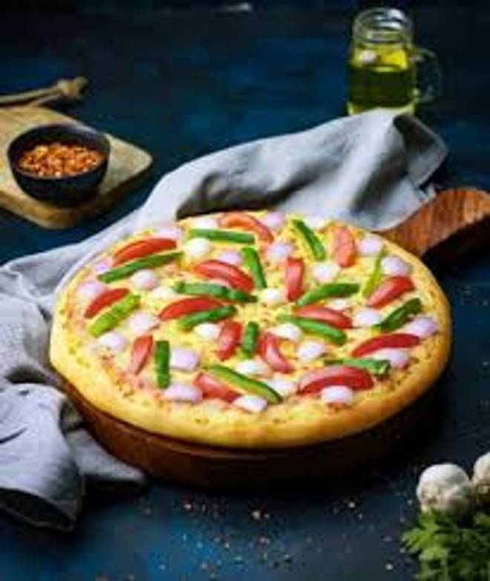
🍊 Restaurant Information

Name | Pizzawala's
Area | SAYAJIGUNJ
Rating | 4.3
Total Ratings | 491 ratings
Cuisines | Pizzas, Beverages
Cost for Two | ₹199 for two
Delivery Time | 27 mins
Swiggy URL | https://www.swiggy.com/city/vadodara/pizzawalas-fatehganj-sayajigunj-rest980202
Scraped On | 18 Mar 2026, 10:23 am

── Menu Stats ──
Total Items | 36
Veg Items | 0
Non-Veg Items | 0
Bestsellers | 0
Items with Photo | 30
Categories | Recommended, Dips, Breads & More / Appetizers, American Hand Tossed Pizzas, Desserts, Appetisers

