Info
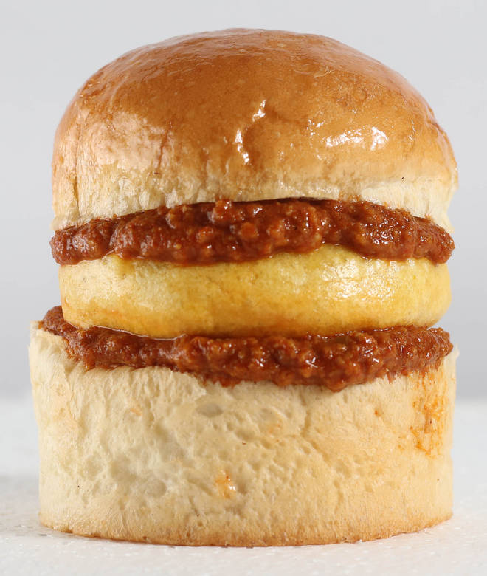
🍊 Restaurant Information

Name | Rainbow Vada Pav
Area | Mandvi
Rating | 4
Total Ratings | 7.3K+ ratings
Cuisines | Street Food, Pizzas
Cost for Two | ₹250 for two
Delivery Time | 48 mins
Swiggy URL | https://www.swiggy.com/city/vadodara/rainbow-vada-pav-mandvi-rest79776
Scraped On | 18 Mar 2026, 10:22 am

── Menu Stats ──
Total Items | 89
Veg Items | 0
Non-Veg Items | 0
Bestsellers | 0
Items with Photo | 63
Categories | Recommended, Grilled Sandwich, Vada Pav, Pizza (7 Inch), Burger, Swaminarayan Variety , French Fry, Combos, Hot Dog (6 Inch), Frankie, Rolls (6inch), Jain

