Info
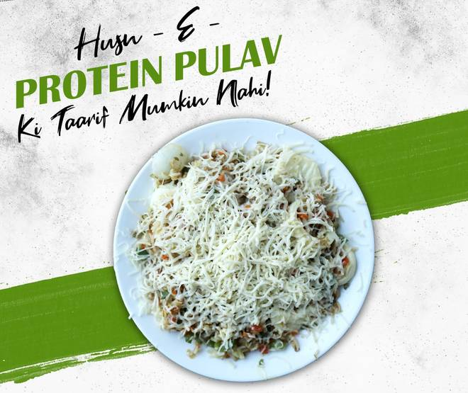
🍊 Restaurant Information

Name | Raju Omlet (MuktaNand)
Area | Muktanand Circle
Rating | 4.6
Total Ratings | 4.5K+ ratings
Cuisines | Mughlai, Snacks
Cost for Two | ₹400 for two
Delivery Time | 22 mins
Swiggy URL | https://www.swiggy.com/city/vadodara/raju-omlet-muktanand-karoli-bag-muktanand-circle-rest95067
Scraped On | 18 Mar 2026, 10:22 am

── Menu Stats ──
Total Items | 52
Veg Items | 0
Non-Veg Items | 0
Bestsellers | 0
Items with Photo | 45
Categories | Recommended, Egg Dishes in Butter, Party Combos, Egg Dishes in Butter with Cheese, Butter Rice Dishes, Meals for One, Cheese Rice Dishes

