Info
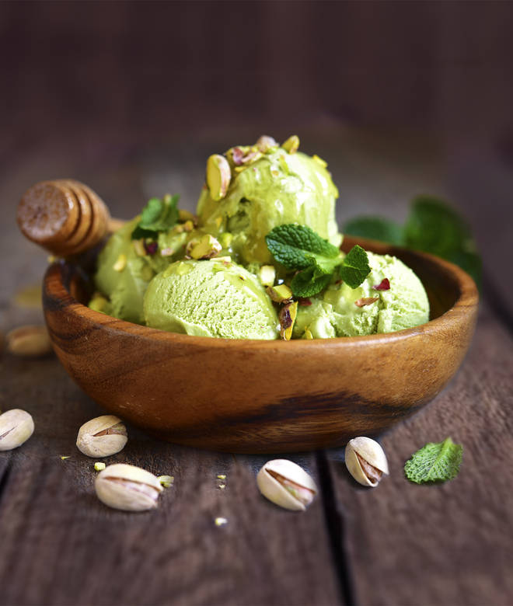
🍊 Restaurant Information

Name | Rangoli Ice Cream
Area | Mandvi
Rating | NEW
Total Ratings
Cuisines | Ice Cream, Desserts
Cost for Two | ₹400 for two
Delivery Time | 33 mins
Swiggy URL | https://www.swiggy.com/city/vadodara/rangoli-ice-cream-mandvi-rest1342077
Scraped On | 18 Mar 2026, 10:17 am

── Menu Stats ──
Total Items | 45
Veg Items | 0
Non-Veg Items | 0
Bestsellers | 0
Items with Photo | 44
Categories | Ice Cream, Ice Cream Shrikhand, Mom Shake, Signature Shake, Signature Sundae, Coco/Coffee

