Info
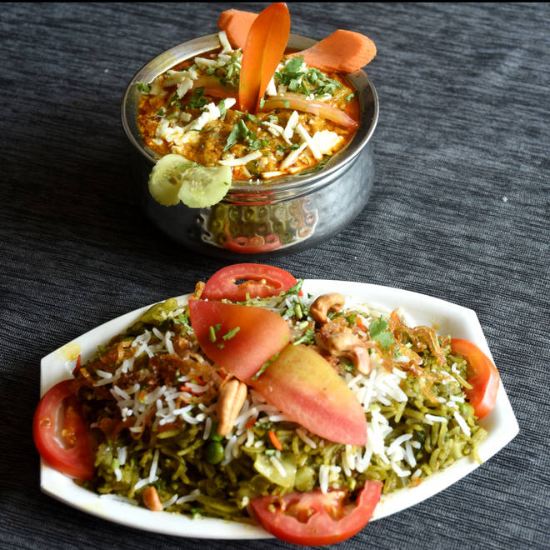
🍊 Restaurant Information

Name | Sahyog Restaurant (Fatehgunj)
Area | Fatehgunj
Rating | 4.1
Total Ratings | 5.1K+ ratings
Cuisines | North Indian, Chinese
Cost for Two | ₹350 for two
Delivery Time | 39 mins
Swiggy URL | https://www.swiggy.com/city/vadodara/sahyog-restaurant-fatehgunj-fatehgunj-rest74780
Scraped On | 18 Mar 2026, 10:19 am

── Menu Stats ──
Total Items | 140
Veg Items | 0
Non-Veg Items | 0
Bestsellers | 0
Items with Photo | 53
Categories | Recommended, Main Course [300 Grams], Starters, Pocket Friendly Combos, Rice And Biryani [400 Grams], Thalis, Breads / Roti, Fried Rice And Noodles [400 Grams], Continental [400 Grams], Accompaniments, Soups [200 Ml]

