Info
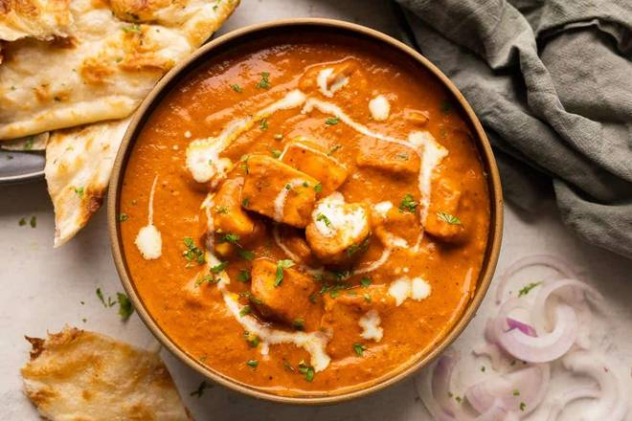
🍊 Restaurant Information

Name | Sai Kitchen
Area | Mandvi
Rating | --
Total Ratings | Too Few Ratings
Cuisines | North Indian, Chinese
Cost for Two | ₹500 for two
Delivery Time | 43 mins
Swiggy URL | https://www.swiggy.com/city/vadodara/sai-kitchen-ravaliya-mahudevegon-mandvi-rest668754
Scraped On | 18 Mar 2026, 10:18 am

── Menu Stats ──
Total Items | 17
Veg Items | 0
Non-Veg Items | 0
Bestsellers | 0
Items with Photo | 1
Categories | Recommended, Starters, Chinese

