Info
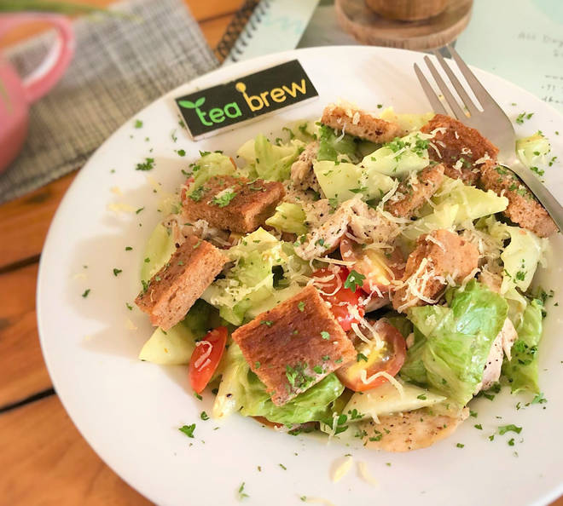
🍊 Restaurant Information

Name | Saladific
Area | Subhanpura
Rating | 4.7
Total Ratings | 626 ratings
Cuisines | Salads, Healthy Food
Cost for Two | ₹300 for two
Delivery Time | 28 mins
Swiggy URL | https://www.swiggy.com/city/vadodara/saladific-subhanpura-rest875117
Scraped On | 18 Mar 2026, 10:16 am

── Menu Stats ──
Total Items | 75
Veg Items | 0
Non-Veg Items | 0
Bestsellers | 0
Items with Photo | 64
Categories | Salads (250 To 300 Gms), Bowls (250 To 350 Gms), Sub Sandwiches (250 Gms), Wraps (300 Gms), Smoothies (250 Ml), Cold - Pressed Juices (250 Ml)

