Info
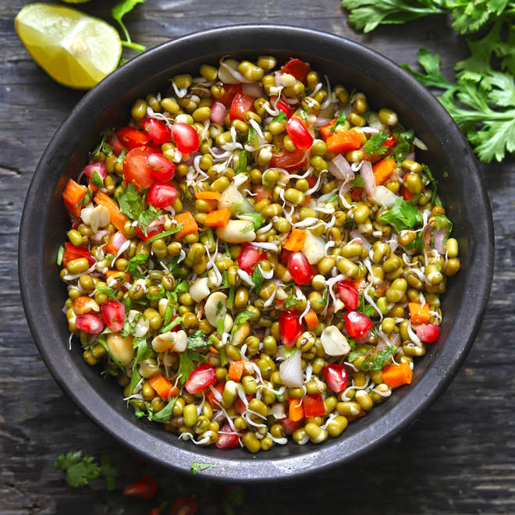
🍊 Restaurant Information

Name | Salado
Area | Sama
Rating | 3.6
Total Ratings | 5 ratings
Cuisines | Salads, Healthy Food
Cost for Two | ₹300 for two
Delivery Time | 42 mins
Swiggy URL | https://www.swiggy.com/city/vadodara/salado-savli-road-sama-rest634485
Scraped On | 18 Mar 2026, 10:18 am

── Menu Stats ──
Total Items | 0
Veg Items | 0
Non-Veg Items | 0
Bestsellers | 0
Items with Photo | 0
Categories

