Info
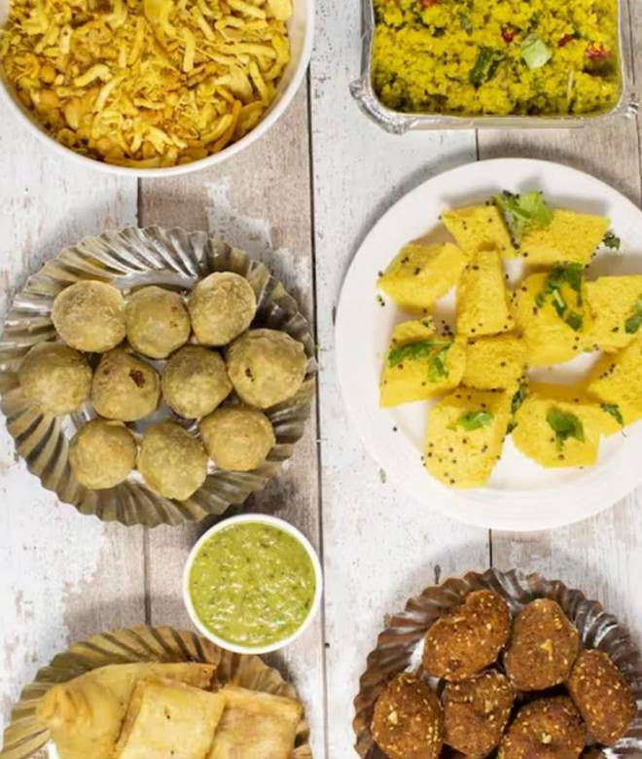
🍊 Restaurant Information

Name | Satyavijay Farsan
Area | Raj Mahal Road
Rating | 4.3
Total Ratings | 9.5K+ ratings
Cuisines | Snacks, Gujarati
Cost for Two | ₹100 for two
Delivery Time | 31 mins
Swiggy URL | https://www.swiggy.com/city/vadodara/satyavijay-farsan-rajmahal-road-raj-mahal-road-rest81726
Scraped On | 18 Mar 2026, 10:11 am

── Menu Stats ──
Total Items | 58
Veg Items | 0
Non-Veg Items | 0
Bestsellers | 0
Items with Photo | 39
Categories | Recommended, Hot & Fresh Farsan, Special Farali Menu, Jain Farsan Special Menu, Dry Snacks & Farsan

