Info
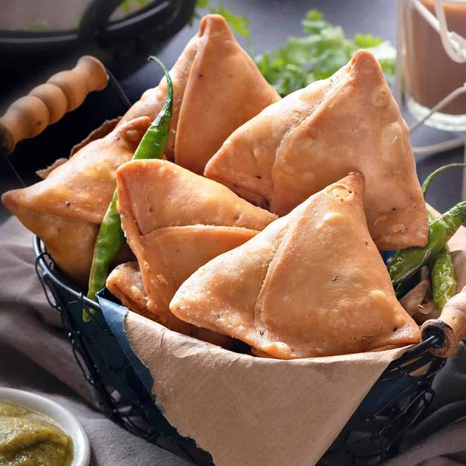
🍊 Restaurant Information

Name | Shiv Shakti Farsan Mart
Area | Mandvi
Rating | 5
Total Ratings | 14 ratings
Cuisines | Sweets, Gujarati
Cost for Two | ₹250 for two
Delivery Time | 29 mins
Swiggy URL | https://www.swiggy.com/city/vadodara/shiv-shakti-farsan-mart-mandvi-rest1042429
Scraped On | 18 Mar 2026, 10:24 am

── Menu Stats ──
Total Items | 27
Veg Items | 0
Non-Veg Items | 0
Bestsellers | 0
Items with Photo | 2
Categories | Shiv Shakti Farsan Mart, Mango ras

