Info
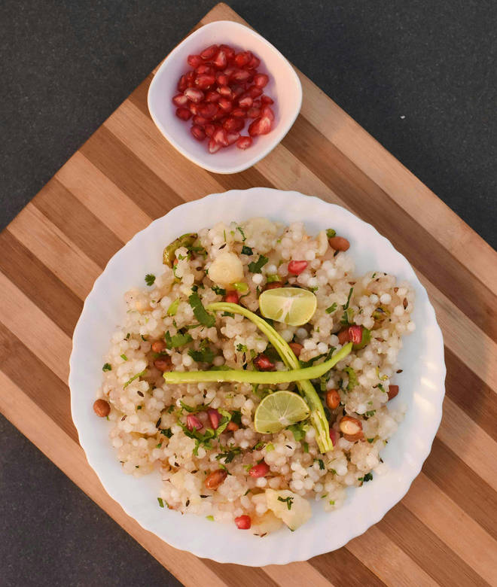
🍊 Restaurant Information

Name | Shree Balaji Farari Center
Area | New Sama
Rating | 4.3
Total Ratings | 479 ratings
Cuisines | Fast Food, Snacks
Cost for Two | ₹200 for two
Delivery Time | 43 mins
Swiggy URL | https://www.swiggy.com/city/vadodara/shree-balaji-farari-center-new-sama-rest497855
Scraped On | 18 Mar 2026, 10:26 am

── Menu Stats ──
Total Items | 28
Veg Items | 0
Non-Veg Items | 0
Bestsellers | 0
Items with Photo | 27
Categories | Recommended, Snacks, Chaats, Khichdi, Special For Gouri Vrat

