Info
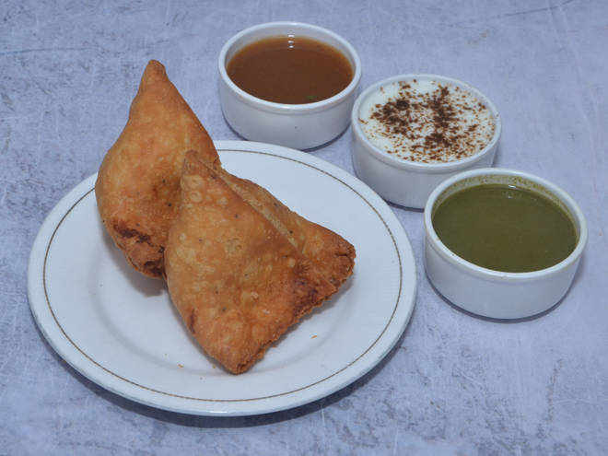
🍊 Restaurant Information

Name | Shree Manmohan Samosa
Area | Mandvi
Rating | 4.2
Total Ratings | 241 ratings
Cuisines | Snacks
Cost for Two | ₹250 for two
Delivery Time | 36 mins
Swiggy URL | https://www.swiggy.com/city/vadodara/shree-manmohan-samosa-waghodia-road-mandvi-rest780013
Scraped On | 18 Mar 2026, 10:25 am

── Menu Stats ──
Total Items | 13
Veg Items | 0
Non-Veg Items | 0
Bestsellers | 0
Items with Photo | 10
Categories | Recommended, Quick Bites

