Info
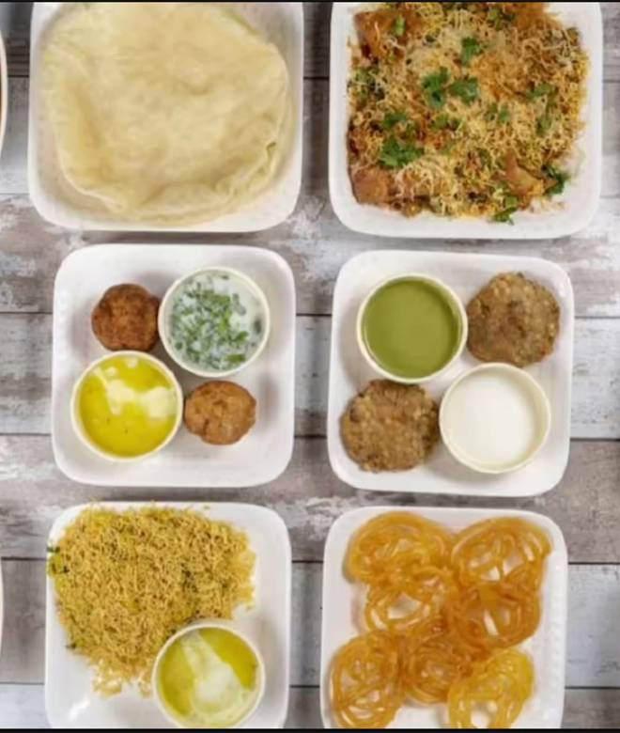
🍊 Restaurant Information

Name | Shree krishna restaurant
Area | Mandvi
Rating | 4.7
Total Ratings | 1.8K+ ratings
Cuisines | Snacks, Jain
Cost for Two | ₹250 for two
Delivery Time | 1320 mins
Swiggy URL | https://www.swiggy.com/city/vadodara/shree-krishna-restaurant-karelibagh-mandvi-rest94647
Scraped On | 18 Mar 2026, 10:15 am

── Menu Stats ──
Total Items | 34
Veg Items | 0
Non-Veg Items | 0
Bestsellers | 0
Items with Photo | 27
Categories | Hot Snacks, Farali Items, Jain Specials, Festival special combo

