Info
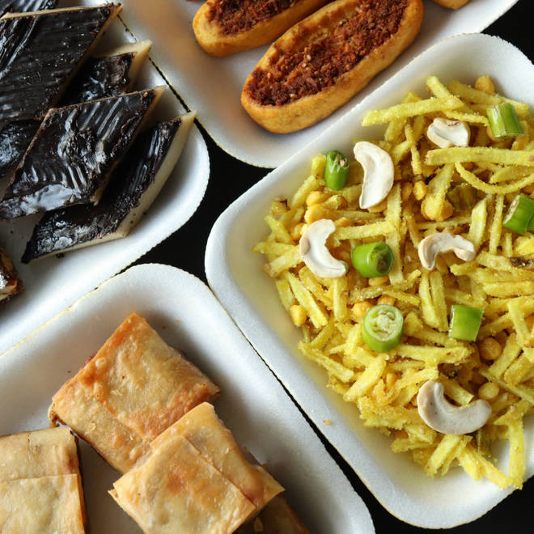
🍊 Restaurant Information

Name | Shreeji Jagdish Farsan & Fastfood
Area | Karelibaug
Rating | 4.5
Total Ratings | 3.8K+ ratings
Cuisines | Sweets, Snacks
Cost for Two | ₹200 for two
Delivery Time | 23 mins
Swiggy URL | https://www.swiggy.com/city/vadodara/shreeji-jagdish-farsan-and-fastfood-mahalaxmi-complex-karelibaug-rest76629
Scraped On | 18 Mar 2026, 10:11 am

── Menu Stats ──
Total Items | 90
Veg Items | 0
Non-Veg Items | 0
Bestsellers | 0
Items with Photo | 35
Categories | Recommended, Farsan, Indian Sweets, Diwali Gifting, Sweets, Cookies, Khakhra, Winter Special, Roasted Farsan, Shrikhand

