Info
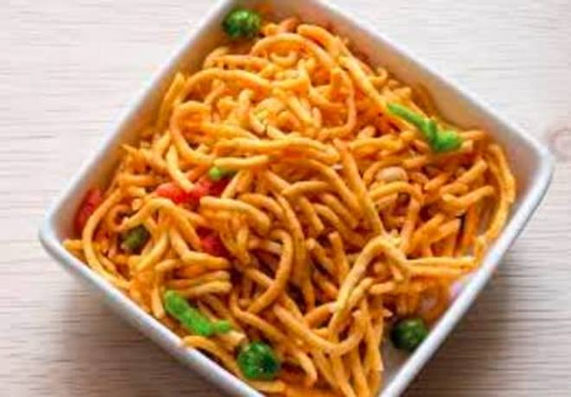
🍊 Restaurant Information

Name | Shreenath Farali Center
Area | Fatehgunj
Rating | 4.9
Total Ratings | 18 ratings
Cuisines | Snacks
Cost for Two | ₹200 for two
Delivery Time | 31 mins
Swiggy URL | https://www.swiggy.com/city/vadodara/shreenath-farali-center-navdurga-society-fatehgunj-rest527339
Scraped On | 18 Mar 2026, 10:14 am

── Menu Stats ──
Total Items | 0
Veg Items | 0
Non-Veg Items | 0
Bestsellers | 0
Items with Photo | 0
Categories

