Info
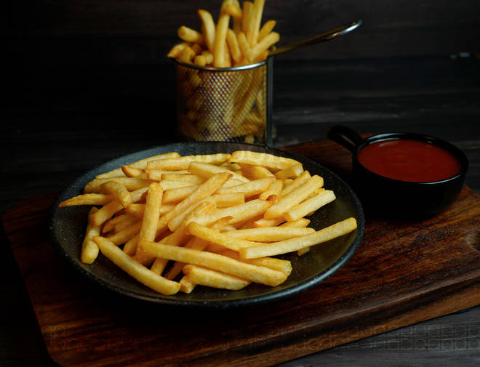
🍊 Restaurant Information

Name | South Samarth Restaurant
Area | Akota
Rating | 4.7
Total Ratings | 281 ratings
Cuisines | Indian
Cost for Two | ₹300 for two
Delivery Time | 32 mins
Swiggy URL | https://www.swiggy.com/city/vadodara/south-samarth-restaurant-isha-hospital-akota-rest789765
Scraped On | 18 Mar 2026, 10:26 am

── Menu Stats ──
Total Items | 209
Veg Items | 0
Non-Veg Items | 0
Bestsellers | 0
Items with Photo | 47
Categories | Recommended, Dosa S, Uthappam, Specially Favourite Flavour S Of Dosa, Rava Dosa's, Hot & Cold Bevages, Milkshake, Refills, Shravan Special, Dessert & Icecream, Lemonade, Mini Dosa, Mocktails, Mojito, All Time Favourite, Rice, South Indian Meals Combo, Thali, Rasam

