Info
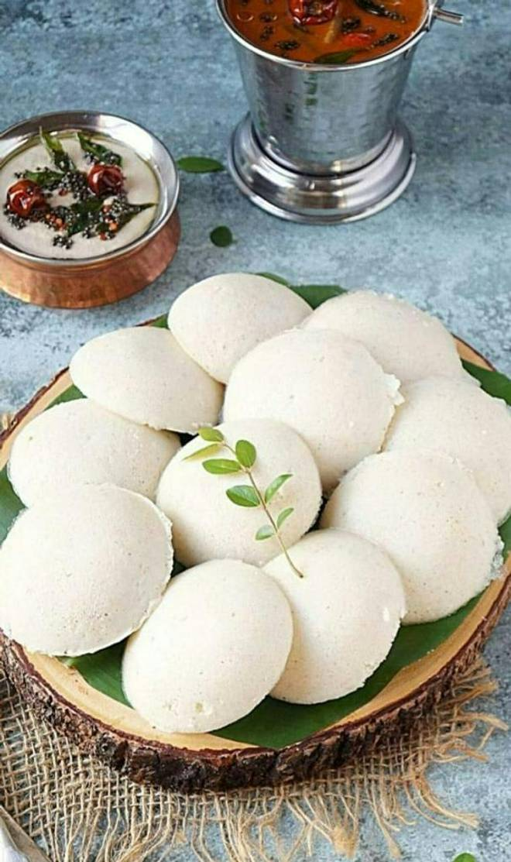
🍊 Restaurant Information

Name | Southa
Area | Old Padra Road
Rating | 4.6
Total Ratings | 927 ratings
Cuisines | South Indian, Mangalorean
Cost for Two | ₹300 for two
Delivery Time | 20 mins
Swiggy URL | https://www.swiggy.com/city/vadodara/southa-benison-complex-old-padra-road-rest714986
Scraped On | 18 Mar 2026, 10:12 am

── Menu Stats ──
Total Items | 119
Veg Items | 0
Non-Veg Items | 0
Bestsellers | 0
Items with Photo | 19
Categories | Recommended, Idli, Dosa, Uttapam, South Sp Dosa, Rava Dosa, Rice, Vada, Breakfast Special, Beverages, Dessert, Rasam, Munching, Extra, South Special

