Info
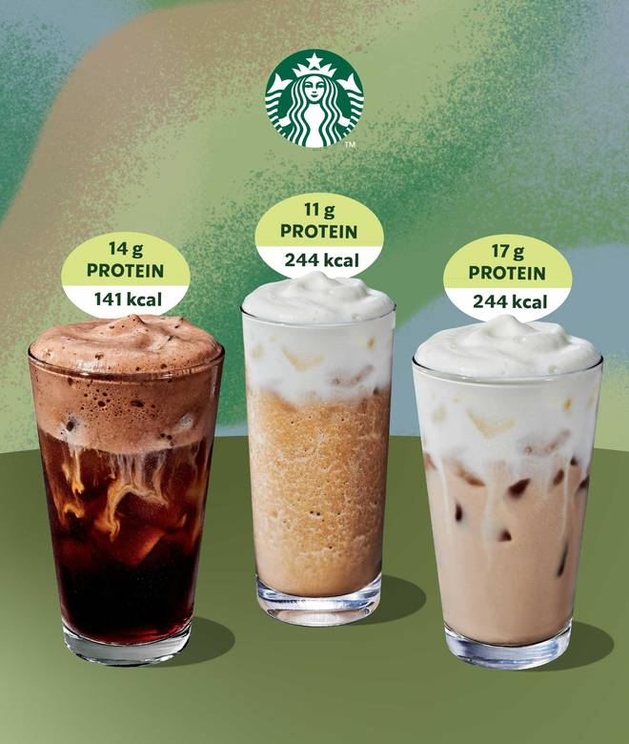
🍊 Restaurant Information

Name | Starbucks Coffee
Area | New Sama
Rating | 4.5
Total Ratings | 203 ratings
Cuisines | Beverages, Cafe
Cost for Two | ₹400 for two
Delivery Time | 24 mins
Swiggy URL | https://www.swiggy.com/city/vadodara/starbucks-coffee-new-sama-rest860907
Scraped On | 18 Mar 2026, 10:04 am

── Menu Stats ──
Total Items | 115
Veg Items | 0
Non-Veg Items | 0
Bestsellers | 0
Items with Photo | 115
Categories | Recommended, Classic Series, Hot Beverages, Cold Beverages, Food, Coffee At Home, Ready to Drink & Eat, Ice Cream Scoops, Starbucks Specials, Snack Time Combos, Dessert Specials Combos

