Info
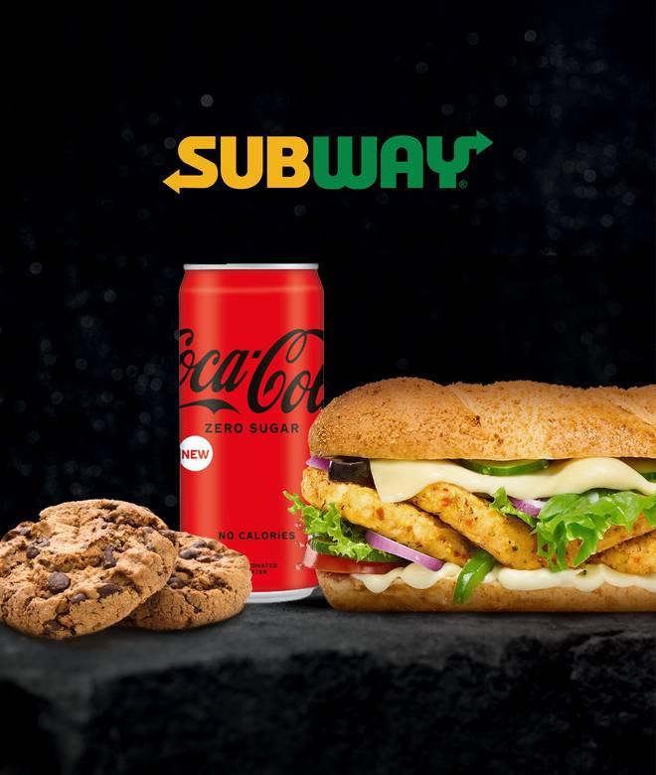
🍊 Restaurant Information

Name | Subway
Area | Karelibaug
Rating | 4.3
Total Ratings | 4.8K+ ratings
Cuisines | sandwich, Salads
Cost for Two | ₹350 for two
Delivery Time | 23 mins
Swiggy URL | https://www.swiggy.com/city/vadodara/subway-muktanand-karelibaug-rest77084
Scraped On | 18 Mar 2026, 10:05 am

── Menu Stats ──
Total Items | 104
Veg Items | 0
Non-Veg Items | 0
Bestsellers | 0
Items with Photo | 104
Categories | Recommended, Sub Cravers - Try New, Hot & Cheesy Signature Subs, Create Your Own Sandwiches, Coke Combos(save 31%), Guiltfree, Salads, Signature Wraps, Sides, Beverages, Desserts

