Info
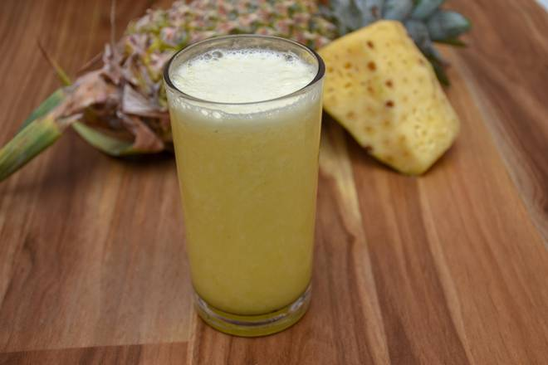
🍊 Restaurant Information

Name | Super Juice And Ice Cream Parlour
Area | Akota
Rating | 4.6
Total Ratings | 5 ratings
Cuisines | Ice Cream, Juices
Cost for Two | ₹100 for two
Delivery Time | 21 mins
Swiggy URL | https://www.swiggy.com/city/vadodara/super-juice-and-ice-cream-parlour-akota-rest1026504
Scraped On | 18 Mar 2026, 10:26 am

── Menu Stats ──
Total Items | 2
Veg Items | 0
Non-Veg Items | 0
Bestsellers | 0
Items with Photo | 2
Categories | Juices, Water

