Info
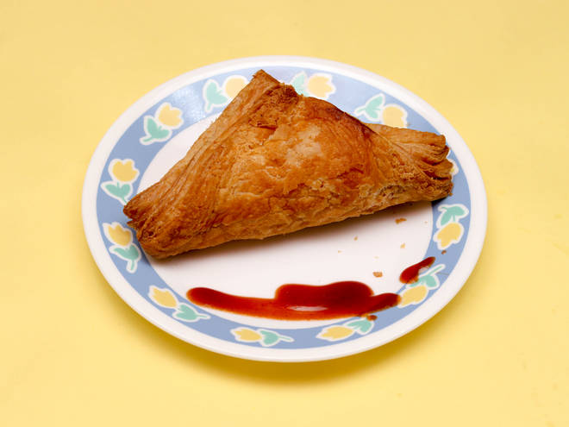
🍊 Restaurant Information

Name | Supreme Bakers
Area | Manjalpur
Rating | 4.2
Total Ratings | 41 ratings
Cuisines | Bakery, Cakes & Pastries
Cost for Two | ₹200 for two
Delivery Time | 29 mins
Swiggy URL | https://www.swiggy.com/city/vadodara/supreme-bakers-manjalpur-rest1079855
Scraped On | 18 Mar 2026, 10:08 am

── Menu Stats ──
Total Items | 78
Veg Items | 0
Non-Veg Items | 0
Bestsellers | 0
Items with Photo | 34
Categories | Buy 2 Get 1 Free, Puffs, Dessert, Hot Bites, Biscuits, Bread, Pizza Base, Muffin, Other Bread, Tea Time Cake, Live Counter

