Info
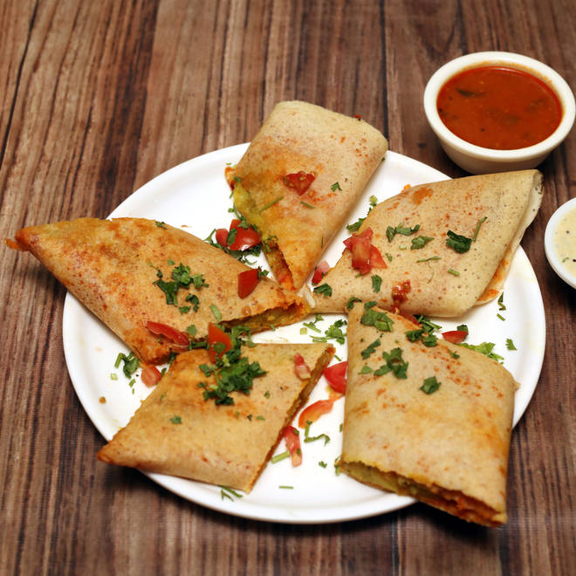
🍊 Restaurant Information

Name | Surya Prakash
Area | Mandvi
Rating | 4.3
Total Ratings | 39K+ ratings
Cuisines | South Indian, North Indian
Cost for Two | ₹250 for two
Delivery Time | 24 mins
Swiggy URL | https://www.swiggy.com/city/vadodara/surya-prakash-raopura-road-mandvi-rest82030
Scraped On | 18 Mar 2026, 10:03 am

── Menu Stats ──
Total Items | 142
Veg Items | 0
Non-Veg Items | 0
Bestsellers | 0
Items with Photo | 119
Categories | Recommended, Sides, South Indian, Chinese, Mainccourse, Rice Varaties, Roti, Starters

