Info
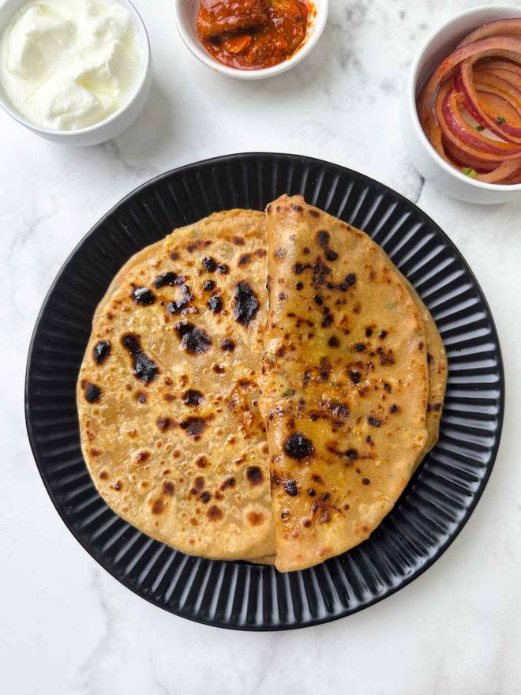
🍊 Restaurant Information

Name | Sushila kitchen
Area | Fatehgunj
Rating | 4.6
Total Ratings | 12 ratings
Cuisines | Punjabi, South Indian
Cost for Two | ₹200 for two
Delivery Time | 52 mins
Swiggy URL | https://www.swiggy.com/city/vadodara/sushila-kitchen-fatehgunj-rest1311668
Scraped On | 18 Mar 2026, 10:26 am

── Menu Stats ──
Total Items | 22
Veg Items | 0
Non-Veg Items | 0
Bestsellers | 0
Items with Photo | 9
Categories | Breakfast, Tea &coffee, Extra, Maggi

