Info
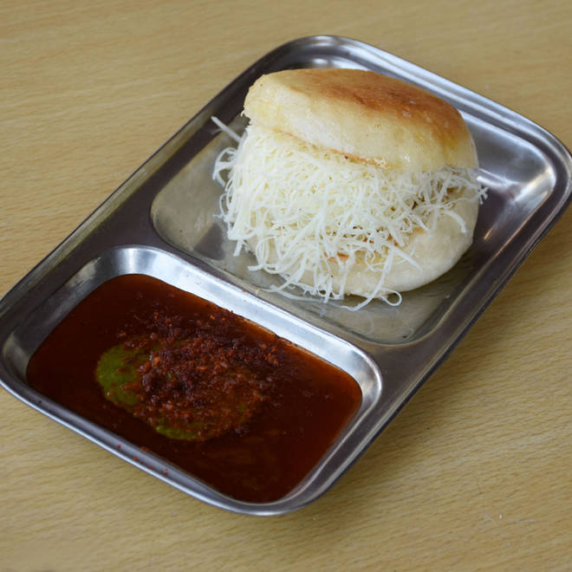
🍊 Restaurant Information

Name | Tasty Vadapav
Area | Uma Char Rasta
Rating | 4.5
Total Ratings | 4.1K+ ratings
Cuisines | Snacks, Fast Food
Cost for Two | ₹150 for two
Delivery Time | 29 mins
Swiggy URL | https://www.swiggy.com/city/vadodara/tasty-vadapav-prabhat-nagar-uma-char-rasta-rest353974
Scraped On | 18 Mar 2026, 10:04 am

── Menu Stats ──
Total Items | 36
Veg Items | 0
Non-Veg Items | 0
Bestsellers | 0
Items with Photo | 22
Categories | Recommended, Vada Pavs, Combos, Dabeli, Family Binge Combos, Swaminarayan

