Info
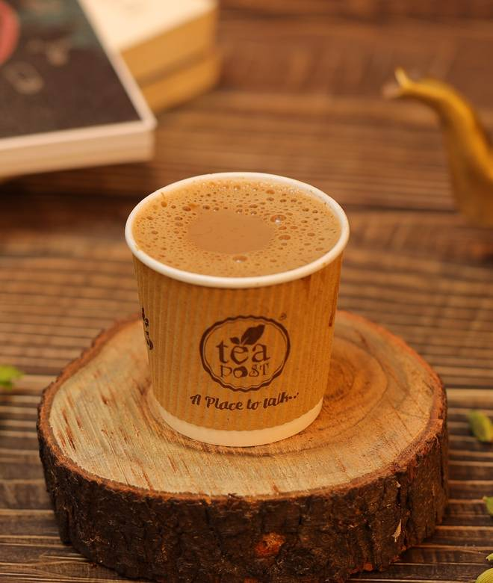
🍊 Restaurant Information

Name | Tea Post
Area | Waghodia
Rating | 4.7
Total Ratings | 526 ratings
Cuisines | Tea, Coffee
Cost for Two | ₹200 for two
Delivery Time | 35 mins
Swiggy URL | https://www.swiggy.com/city/vadodara/tea-post-waghodia-rest548164
Scraped On | 18 Mar 2026, 10:04 am

── Menu Stats ──
Total Items | 78
Veg Items | 0
Non-Veg Items | 0
Bestsellers | 0
Items with Photo | 78
Categories | Recommended, Party Combo, Tea, Coffee, Milk & Milkshakes, Coolers, Breakfast, Sandwich, Instant Noodles, Snacks (Puffs & Patties), Jain Special Category, Combo

