Info
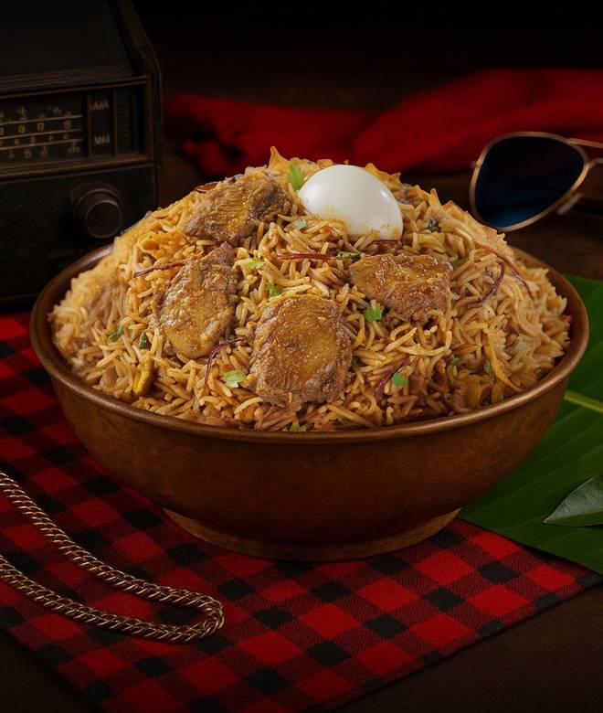
🍊 Restaurant Information

Name | Thalaiva Biryani
Area | Manjalpur
Rating | 4.3
Total Ratings | 233 ratings
Cuisines | Biryani, Mughlai
Cost for Two | ₹400 for two
Delivery Time | 29 mins
Swiggy URL | https://www.swiggy.com/city/vadodara/thalaiva-biryani-ongc-road-manjalpur-rest1030907
Scraped On | 18 Mar 2026, 10:08 am

── Menu Stats ──
Total Items | 89
Veg Items | 0
Non-Veg Items | 0
Bestsellers | 0
Items with Photo | 89
Categories | Recommended, New on Thalaiva, Biryani Bowl - 380 gms Biryani, Biryani & Rice, Starter, Breads & Curries, Biryani Bowls Combos, Beverages, Shawarmas, Dessert

