Info
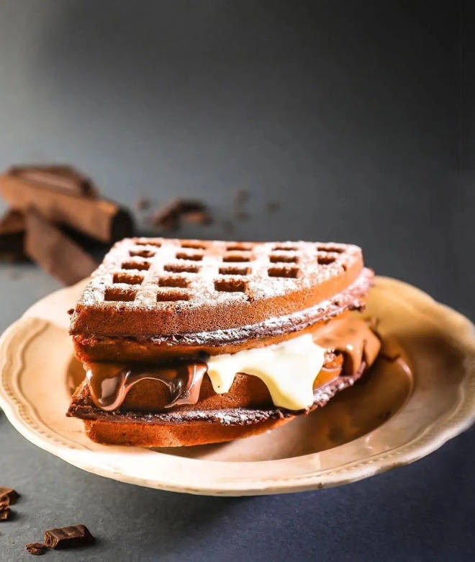
🍊 Restaurant Information

Name | The Belgian Waffle Co.
Area | Karelibaug
Rating | 4.5
Total Ratings | 4.8K+ ratings
Cuisines | Waffle, Desserts
Cost for Two | ₹200 for two
Delivery Time | 32 mins
Swiggy URL | https://www.swiggy.com/city/vadodara/the-belgian-waffle-co-vuda-circle-karelibaug-rest74383
Scraped On | 18 Mar 2026, 10:10 am

── Menu Stats ──
Total Items | 94
Veg Items | 0
Non-Veg Items | 0
Bestsellers | 0
Items with Photo | 94
Categories | Recommended, Mini Waffle Combos, Waffle Cakes, Waffles, Waffle Sundae, Waffle/ Pancake with Ice Cream, The BWC Store, Mini Pancakes

