Info
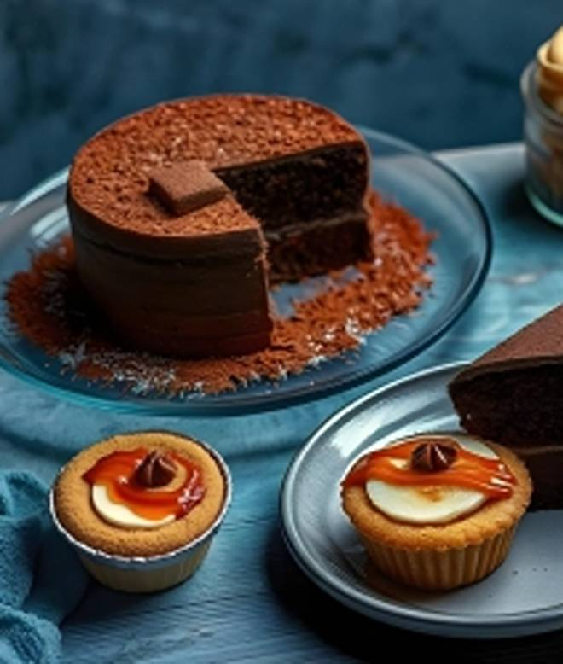
🍊 Restaurant Information

Name | The Chocolate Room
Area | Fatehgunj
Rating | 4.5
Total Ratings | 3.2K+ ratings
Cuisines | Bakery, Desserts
Cost for Two | ₹300 for two
Delivery Time | 23 mins
Swiggy URL | https://www.swiggy.com/city/vadodara/the-chocolate-room-main-road-fatehgunj-rest76040
Scraped On | 18 Mar 2026, 10:16 am

── Menu Stats ──
Total Items | 161
Veg Items | 0
Non-Veg Items | 0
Bestsellers | 0
Items with Photo | 137
Categories | Recommended, Cakes, Special Gift, Sandwiches, Sundaes, Chocshakes, Hot Coffee, Pastries, Desserts and cup cakes , Special Cakes, Garlic Breads, Italian Hot Chocolates, Combo, Belgian Frappe, Italian Cheesy Toast, Frozen Coffee, Bakery, Tub Cakes and jar cakes , Valentine Special, Choctails

