Info
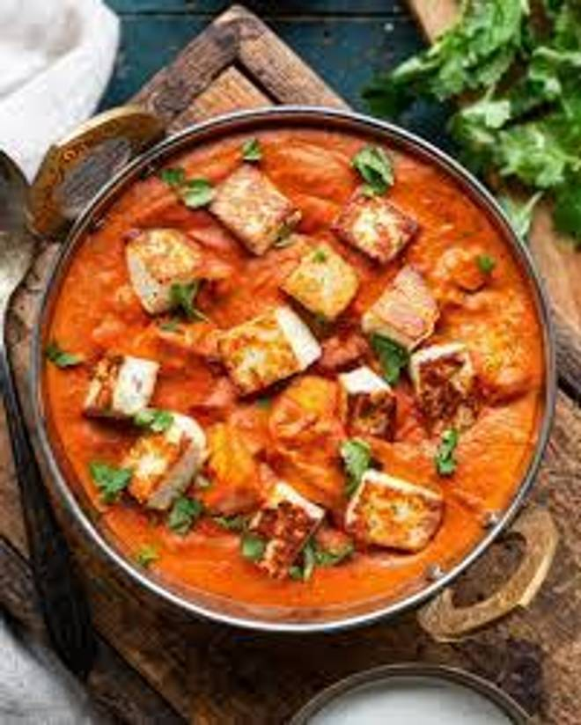
🍊 Restaurant Information

Name | The Flavour Canvas Express
Area | Akota
Rating | 3.8
Total Ratings | 36 ratings
Cuisines | Fast Food
Cost for Two | ₹350 for two
Delivery Time | 26 mins
Swiggy URL | https://www.swiggy.com/city/vadodara/the-flavour-canvas-express-akota-rest1279954
Scraped On | 18 Mar 2026, 10:21 am

── Menu Stats ──
Total Items | 269
Veg Items | 0
Non-Veg Items | 0
Bestsellers | 0
Items with Photo | 265
Categories | Rice And Biryani, Fried Rice And Noodles, Main Course, Snacks, Rolls, Starters, Soups And Salads, Shawarma, Burgers And Sandwiches, Breads, Rice Bowl, Side

