Info
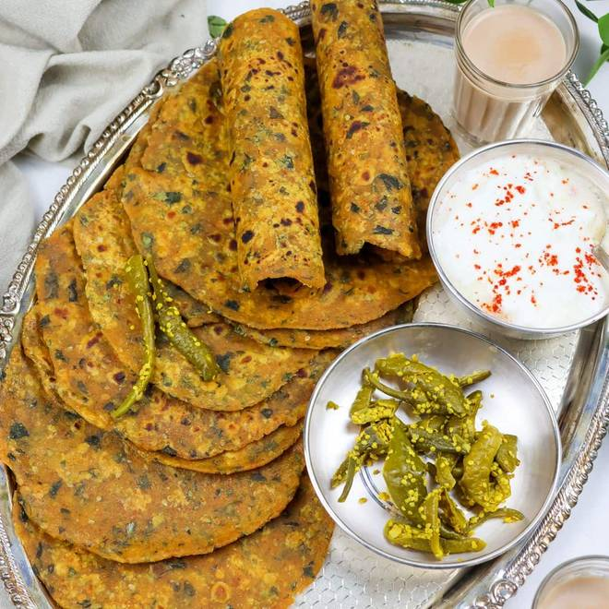
🍊 Restaurant Information

Name | Thepla Junction
Area | Atlantis, Sarabhai Complex
Rating | 4.3
Total Ratings | 256 ratings
Cuisines | Gujarati, Snacks
Cost for Two | ₹300 for two
Delivery Time | 25 mins
Swiggy URL | https://www.swiggy.com/city/vadodara/thepla-junction-atlantis-sarabhai-complex-rest737207
Scraped On | 18 Mar 2026, 10:26 am

── Menu Stats ──
Total Items | 72
Veg Items | 0
Non-Veg Items | 0
Bestsellers | 0
Items with Photo | 29
Categories | Recommended, Combo, Thepla Thalis, Vegetable Thepla, Millets Thepla, Premium Thepla, Quick Picks, Classic Dishes, Desserts, Beverages, Extras, Bulk Order

