Info
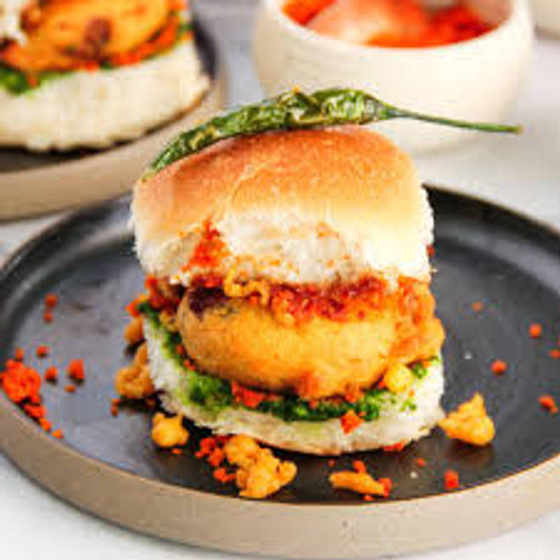
🍊 Restaurant Information

Name | Trimurti Vada Pav
Area | Mandvi
Rating | NEW
Total Ratings
Cuisines | Street Food
Cost for Two | ₹250 for two
Delivery Time | 31 mins
Swiggy URL | https://www.swiggy.com/city/vadodara/trimurti-vada-pav-mandvi-rest1292086
Scraped On | 18 Mar 2026, 10:10 am

── Menu Stats ──
Total Items | 69
Veg Items | 0
Non-Veg Items | 0
Bestsellers | 0
Items with Photo | 0
Categories | Cheese Burst Vada Pav, Double Cheese Burst Vada Pav, Vada Pav, Samosa, Pakoda, Pav Bhaji, Snacks, Half Jain

