Info
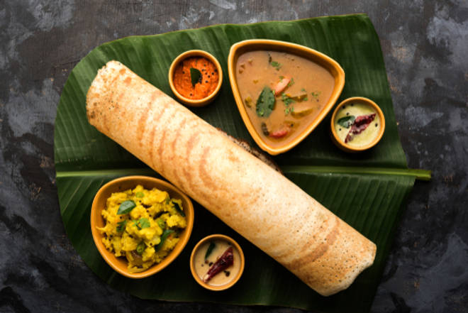
🍊 Restaurant Information

Name | Uma fast food
Area | Sama
Rating | 4.5
Total Ratings | 1.1K+ ratings
Cuisines | South Indian
Cost for Two | ₹300 for two
Delivery Time | 50 mins
Swiggy URL | https://www.swiggy.com/city/vadodara/uma-fast-food-new-road-sama-rest298900
Scraped On | 18 Mar 2026, 10:27 am

── Menu Stats ──
Total Items | 74
Veg Items | 0
Non-Veg Items | 0
Bestsellers | 0
Items with Photo | 48
Categories | Recommended, South Indian, Navratri Specials, Combos, Meals, Rice

