Info
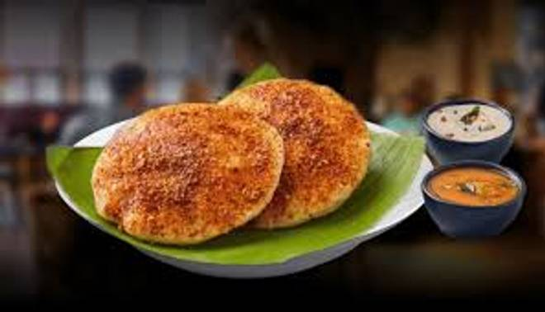
🍊 Restaurant Information

Name | V2 South Indian Food
Area | Akota
Rating | 4
Total Ratings | 79 ratings
Cuisines | South Indian, Snacks
Cost for Two | ₹200 for two
Delivery Time | 21 mins
Swiggy URL | https://www.swiggy.com/city/vadodara/v2-south-indian-food-akota-rest1004310
Scraped On | 18 Mar 2026, 10:13 am

── Menu Stats ──
Total Items | 70
Veg Items | 0
Non-Veg Items | 0
Bestsellers | 0
Items with Photo | 51
Categories | Recommended, Dosa, Breakfast, Uttapam, Rice

